Sheet1
 | MULTI-SPRAYER SC SERIES
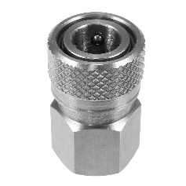 | 05-"1/8” Female Stainless Steel Quick Connect with VITON O-Ring | BST-1YSS | $15.40
 | 06-Comfort Grip Stainless Steel/Brass Trigger VITON Seals | 2022TR | $60.50
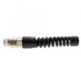 | 07-Compression & Strain Relief | H14-2MUSBR | $12.84
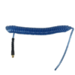 | 08-10' Coil Hose 1/4 ID (includes #7) | FW-10 | $32.09
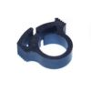 | 09-Hose Clamp, Nylon (2) | SNP-2 | $1.19
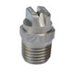 | 1- H1/8DT-SS8004 Female Thread Stainless Steel V-Jet Nozzle | H1/8DT-8004SS | $13.75
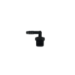 | 11-Elbow, Nylon | N4MEB6 | $2.29
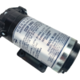 | 12-12V Motor/Pump | AQ12 | $157.66
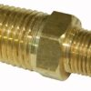 | 14-Brass Reducing Nipple, 1/4” / 1/8” | 216P-4-2 | $4.04
 | 15-Rubber Hose Grommet | 11375 | $2.29
 | 16-Horizontal Threaded Rods 6.5”, (2) | 6.5SS | $4.95
 | 17-Electric On/Off Switch | 160011E | $7.06
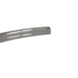 | 18-Urethane Suction Hose, 33”, 1/4 ID | UR33 | $5.78
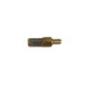 | 19-Suction Hose Strainer, 50 mesh | 13862-50 | $8.16
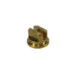 | 1B-Brass T-Jet Nozzle | TPU50015 | $6.41
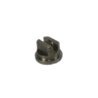 | 1B-Stainless Steel T-Jet Nozzle | TPU8004SS | $15.49
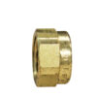 | 2-Brass Nozzle Cap | CP1325 | $2.66
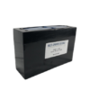 | 21-Battery 12V, 12 Amp Hour | B252 | $98.09
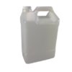 | 22-2 Gallon Solution Container (2) | 2G | $7.34
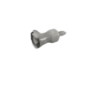 | 23-Female Poly. Jug Quick Connect VITON Seals | F17004LG | $14.58
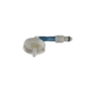 | 24-Male Poly. Jug Quick Connect, Cap & 90 Degree Barb | M22004LG | $23.74
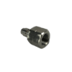 | 25-Stainless Steel Male Coupler | BST-N1SS | $7.79
 | 25-Urethane Dip Tube, 12.5” , 1/4 ID | UR12.5 | $2.29
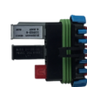 | 26-Fuse Box | fusebox | $5.00
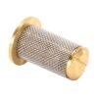 | 26-Strainer w/Check Valve | 4193-A-20-50SS | $7.79
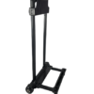 | 26-Two Wheeled Cart | 2000-277-43 | $78.84
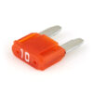 | 27-10 Amp Mini Fuse | MINF10 | $1.65
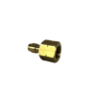 | 27-Brass Male Coupler | BST-N1 | $3.39
 | 2A-Strainer w/Check Valve (inside 2A) | 4193-A-10-50SS | $7.79
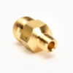 | 2B-Brass Male Body | CP1336 | $3.58
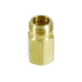 | 2S-Brass Male Body | CP1335 | $3.58
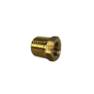 | 3-Brass Hex Nipple 1/4 Male, 1/8 Female | AB 110CA | $4.13
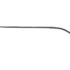 | 3-Threaded Stainless Steel Male Coupler | SS20 | $21.54
 | 30-Vertical Bolts, 4 @ 4.75” | Battery Bolts | $6.50
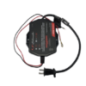 | NS-Charger Mounted on Back of SC | 1.5 AMP-12V | $65.00
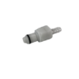 | NS-Male Poly. Jug Quick Connect Only | M22 | $14.58
 | NS-Mini InLine Fuse Holder 4” | FUSELINK | $3.75
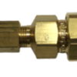 | WAND-Complete Upholstery Wand for M2,TC2CIG, SC2 | WACS | $23.84
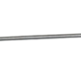 | WAND-Complete Wand for M1, TC1CIG, SC1 | 8004WAND | $37.59
 | WAND-Complete Wand for M2, TC2CIG, SC2 | WAC | $46.75

