Sheet1
 | multi-sprayer spray 1 series
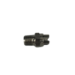 | 01-Stainless Steel V-jet Nozzle | H1/8VV-SS8004 | $13.75
 | 02-Brass Compression Fitting 1/8 Female | 66CA-4-2 | $6.41
 | 03-SS Wand Tube for Spray 1 | SS18 | $21.54
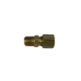 | 04-Brass Compression Fitting 1/4 Male | 68CA-4-4 | $4.13
 | 06-Comfort Grip Stainless Steel/Brass Trigger VITON Seals | 2022TR | $60.50
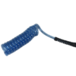 | 07-6' Coil Spray Hose (w/br. Compression/guard) | FW-6 | $28.88
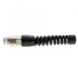 | 07-Compression & Strain Relief | H14-2MUSBR | $12.84
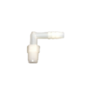 | 09-90 Degree Nylon Barb/inc./W Pump | TE-2024 | $2.08
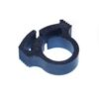 | 09-Hose Clamp, Nylon (2) | SNP-2 | $1.19
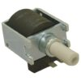 | 10-50 PSI Oscillating Pump/Viton | 508-224 | $72.42
 | 11-Straigh Nylon Barb/inc/W Pump | TA-1024 | $2.29
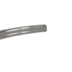 | 12-Suction Hose - 18 Inch - Comes With Cap and Grommet | NA-22 | $21.54
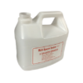 | 14-1 Gallon HDPE Container (2) | 1G | $7.34
 | 15-Power Cord Strain Relief Grommet | SR7W-2 | $2.94
 | 16- ARD Base Plate Retaining Buttons | ARD | $0.74
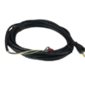 | 16-30 Foot Power Cord | CORD30 | $33.00
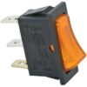 | 17-Illuminated Electric ON/OFF Switch | 1600ORANGE | $7.79
 | 18-2 Inch Velcro Retaining Band | VEL | $3.21
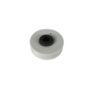 | 19-Cap and Grommet | 11375K35 | $6.41
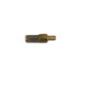 | 19-Suction Hose Strainer, 50 mesh | 13862-50 | $8.16
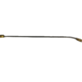 | Complete Wand - Parts 1-4 | Spray 1 Wand | $29.79

